Fair Wages
Direct Care staff Yearly Wages and Benefits
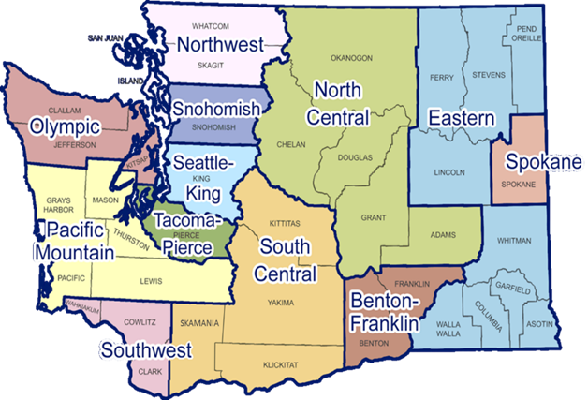

Regional** | Yearly Wage | Yearly PTO | Hollidays | Yearly Health Insurance Contribution | Total Yearly Compensation

Snohomish | $52,000.00 | $3,000.00 | $2,200.00 | $4,200 | $61,400
Northwest | $51,127.88 | $2,949.69 | $2,163.10 | $4,200 | $60,441
Olympic | $51,890.99 | $2,993.71 | $2,195.39 | $4,200 | $61,280
Pacific Mountain | $52,000.00 | $3,000.00 | $2,200.00 | $4,200 | $61,400
Seattle-King | $52,000.00 | $3,000.00 | $2,200.00 | $4,200 | $61,400
Tacoma-Pierce | $51,563.94 | $2,974.84 | $2,181.55 | $4,200 | $60,920
Southwest | $47,094.34 | $2,716.98 | $1,992.45 | $4,200 | $56,004
South Central | $49,710.69 | $2,867.92 | $2,103.14 | $4,200 | $58,882
North Central | $51,236.90 | $2,955.97 | $2,167.71 | $4,200 | $60,561
Eastern | $48,184.49 | $2,779.87 | $2,038.57 | $4,200 | $57,203
Benton Franklin | $49,928.72 | $2,880.50 | $2,112.37 | $4,200 | $59,122
Spokane | $52,000.00 | $3,000.00 | $2,200.00 | $4,200 | $61,400
WA-State* | $52,000.00 | $3,000.00 | $2,200.00 | $4,200 | $61,400

*Statewide average defined by BRS wage proviso of FY22
** To reflect regionalized staff costs, each region is adjusted based on variance from statewide average within Psychiatric Technicians (29-2053). Regions where costs exceed WA State average where capped at state average.

