Instructions
Instructions
This page is for instructions only, do not attempt to make changes to this tab.

Note: When preparing this document to send for payment please ensure that you save the Billing form as a .pdf so that it may be signed. However, the FA MUST receive the entire workbook with all tabs
Before they can process the Billing Form for payment.

This form has 5 Tabs

Tab - Billing Form Instructions

The Billing form contains the total dollar amount owed along with provider information. Please complete this section on the Billing Form tab before moving to the other tabs.

If you have written approval to bill for exceptional cost respite, please enter the FULL Daily/Hourly rate in the highlighted area on the Billing Form tab.

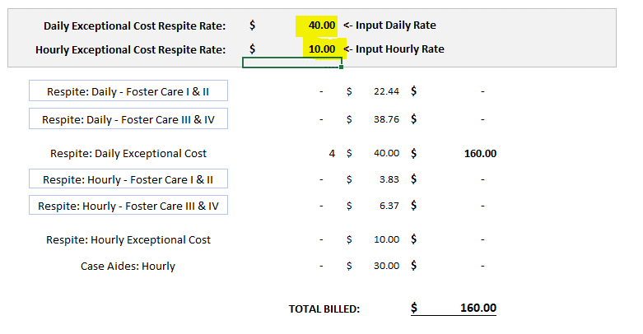
 | <- | This Highlighted Area is where you can enter the agreed upon rate for Daily Exceptional Cost Respite.

 | <- | This Highlighted Area is where you can enter the agreed upon rate for Hourly Exceptional Cost Respite.

Besides entering the rate for exceptional cost respites the rest of the payment information on this form is locked. Completing the Logs will fill in the rest of the information.

Tab - The Daily Respite Log Instructions

On the Daily Respite log, the information for Provider Name, Case Name, MOS, Year, and Case ID are generated automatically from the information you entered at the top of the billing form tab.

Before you complete the log please ensure that you select a level from the drop down list in the header as that will ensure that you are billed at the proper rate on the Billing Form.

Once that is completed you are ready to fill in the log. You will need to complete one row for every set of consecutive nights the youth was with the respite foster home.

As you complete the log, the Column "Nights" keeps an automatic count that adds up in the "Total Nights" cell, which in turn is reflected in the Billing Form tab

If the level had been III & IV it would have added up under the "Respite: Daily - Foster Care III & IV" line on the Billing Form tab.

Tab - The Hourly Respite Log Instructions

On the Hourly Respite log, the information for Provider Name, Case Name, MOS, Year, and Case ID are generated automatically from the information you enter at the top of the Billing Form tab.

Before you complete the log please ensure that you select a level from the drop down list in the header as that will ensure that you are billed at the proper rate on the Billing Form tab.

Once that is completed you are ready to fill in the log. You will need to complete one row for each date of service, or break in service.

As you complete the log, the Hours column automatically generates the total hours entered from the Start Time and End Time columns:

The amount in the cell "Total Hours" is then reflected on the billing form under the appropriate level, in this case "Level I & II"

Had level III & IV or Exceptional been selected the hours would have appeared on their respective rows on the Billing Form tab.

Tab - The Case Aide Log Instructions

Like the other sheets the header information is filled in automatically based on the information enterd on the Billing Form's header.

As for the form, simply enter the information:

The Number in the Cell "Total Hours" is automatically reflected on the Billing Form:

After you've completed the logs as needed the reflected services and their total dollar amount will be reflected on the billing form:

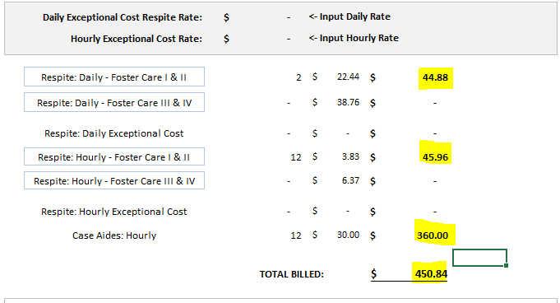

In this case using the example services laid out in the instructions we have 2 days of respites at the Level I & II Rate, 12 Hours of Hourly Respite at the Level I & II rate, and 12 hours of case aide, totaling up to $450.84.

