Billing FAQ
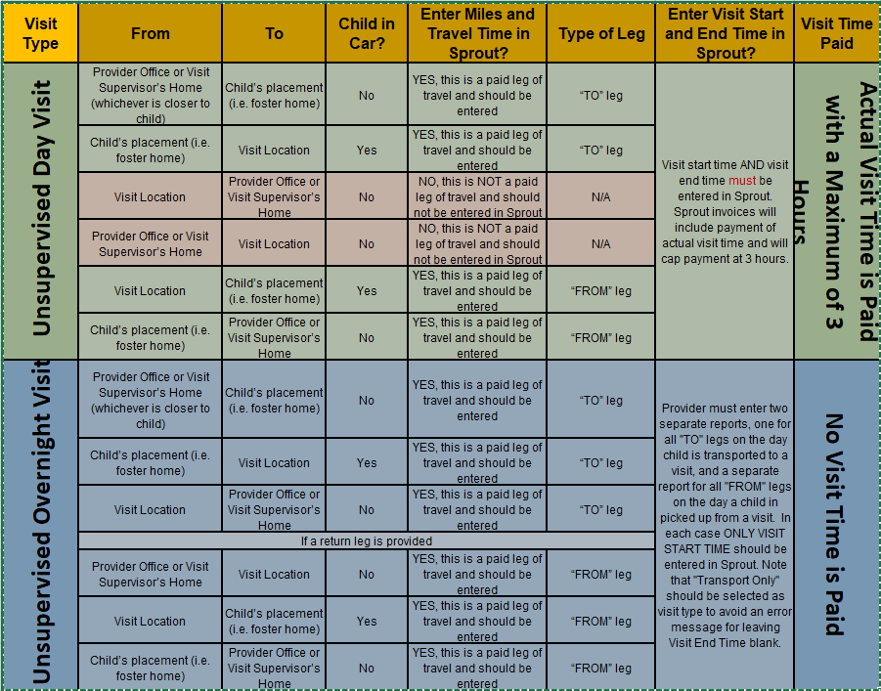
 |  | Date stamp
 | Frequently Asked Questions

2022-04-01 | Missed Visit reports are eligible for a documented report about a no show or Cancelled less than 24 hours notice, where the report is approved.
2022-04-01 | Attended visit reports are eligible for visits conducted in person or virtual visits, where the report is approved in SPROUT.
2022-04-01 | Intake - once per case
2022-04-01 | Unsupervised visits - see chart
2022-04-01 | Attended visit report - one per visit
2021-11-01 | Cancellations & No Shows - The Contractor may resolve and close the referral after three consecutive missed visits.

