FAQs
 |  | Combined In-Home Frequently Asked Questions

1 | How do I bill for attendance at Family Team Decision Making (FTDM) meetings |  |  |  |  | 12/1/20

 |  | All actives covered by Family Support or Case Related activities are included in the rate. Some cases may require more hours than the amount modeled, most will require less.

2 | What happens if the family needs more sessions than identified on the rates page. For example, a family needs more than 18 Triple P sessions? |  |  |  |  |  |  | 12/1/20

 |  | If it is anticipated that more sessions than identified on the Service Rates pager are require, contact your regional program manager to for guidance.

3 | How do I bill if the intervention is 5 months but DCYF only has 4 months of session billing? |  |  |  |  |  | 12/1/20

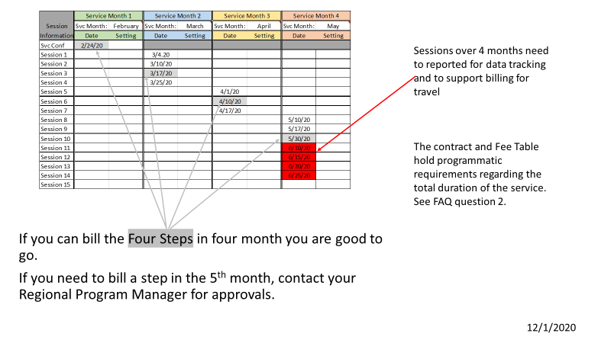

4 | When do I send in billings? |  | 12/1/20

 |  | Billing continues to be monthly.

5 | What if I didn't bill a step for a month, can I still send in my billing? |  |  |  | 12/1/20

 |  | Yes, if you have other billable cost such as travel cost and concrete goods, they are submitted monthly.

6 | How do I bill case related hours? |  |  | 12/1/20

 |  | Case related or Family Support hours are included in the rate of each step. There is no additional billing.

7 | What if a family needs more than 4 hours of case related services, do I have to provide it? |  |  |  |  |  | 12/1/20

 |  | Yes. Case related or Family Support time is driven by the Family Plan for Change. Historic data show that many families will need less than the funded 4 hours and some will require more.
 |  | Providers are not able to refuse Family Support hours activities such as meeting requests. If you feel requests for Family Support hours are beyond reasonable for your agency, contact your Regional Program managers for guidance.

