Instructions
Early Intervention Competencies Instructions
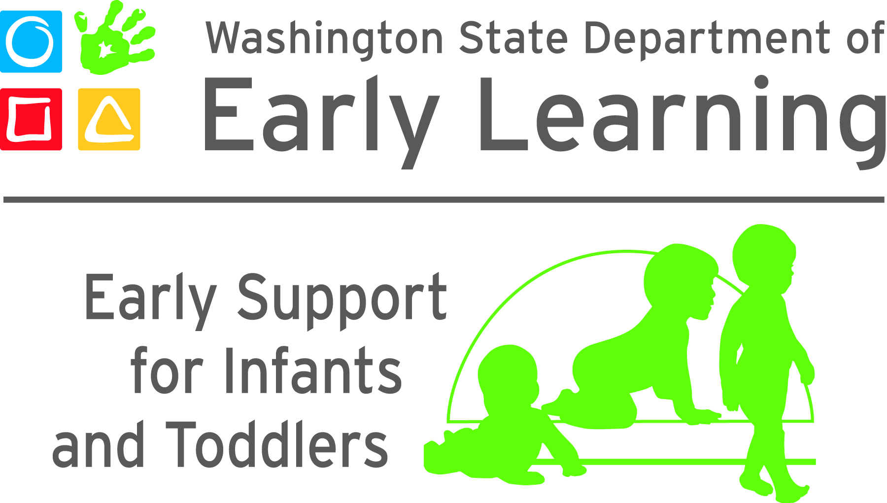
Overview
This tool was designed for tracking early intervention providers’ progress on meeting the Washington State Early Intervention Competencies. There are 10 tabs in the tool. This first tab contains the instructions. This is followed by one tab for each of the 8 competency content areas. The final tab is a summary page which pulls strengths and priorities from each content area and can be used for strengths-based professional development planning, which is further explained below.
Content Area Worksheets
Each of the 8 tabs corresponds with a content area. The content areas are as follows:
1. Child Growth and Development
2. Curriculum and Learning Environment (Supports and Services in Natural Environments)
3. Ongoing Measurement of Child Progress
4. Family and Community Partnerships
5. Health, Safety, and Nutrition
6. Interactions
7. Program Planning and Development
8. Professional Development and Leadership

Each tab is designed the same and includes the competency, the evidence that the individual has met or partially met the competency, a notes section, and two sections for date, reviewer name, reviewer type, and rating.
Evidence
Each competency is labeled as either attitudes, knowledge, or skills (Roggman, et al 2016). Attitudes are core beliefs regarding services to young children with developmental delays and disabilities and their families. Knowledge includes what providers need to know and skills include what provides need to do.
Each competency has a corresponding evidence section that includes a drop-down menu of options. The evidence is the documentation that describes achievement of a competency. Attitudes are difficult to measure, but could potentially be measured through interview questions, reference checks during the hiring process, or direct observation with families or colleagues. Knowledge can be measured more objectively, for example through completion of coursework or training. Skills can only be measured through observation. Each drop-down menu includes an option of “other” which should be further explained in the notes section. When a competency is observed through direct observation, details can be added to the notes section about the context of the observation; for example notes can indicate if the skill was observed during a home visit with a family or during a team meeting.
Some of the evidence refers to completion of specific training or observation tools. The Home Visit Rating Scale is a tool for observing home visit quality. The Child Outcomes Summary Team Collaboration (COS-TC) is a tool for observing quality of the child outcomes summary process. Promoting First Relationships (PFR) Level 2 Fidelity is a 16-week process that some Washington State early intervention providers have completed. Washington Association for Infant Mental Health (WA-AIMH) Category 2 Infant-Family Specialist competencies are embedded throughout the Washington Early Intervention Competencies and can be accessed here:
http://www.wa-aimh.org/endorsement/competency-requirement-details/cat2-competencies/

Review and Rating
There are a variety of methods that can be used to document achievement of the competencies. For example, early intervention providers may choose to review these on their own as a self-assessment, and then meet with their supervisor for professional development planning. Supervisors may choose to use this during their onboarding process with new staff to develop individualized professional development plans. Supervisors may identify different individuals on their teams to support mentoring or training in different areas. For example, a peer may support training about one item where a clinical supervisor is more appropriate for a different item. Supervisors may also choose to use this tool with current staff, to identify how to best support ongoing training needs. There is a drop-down menu with options to identify the reviewer for each competency. There is also a section to include the name and credentials of the reviewer. The spreadsheet includes the ability to document an initial review and a follow-up review.
The rating options are ‘yes,’ ‘emerging,’ and ‘not yet.’ ‘Yes’ indicates the competency has been met or is fully observed most or all of the time; ‘emerging’ indicates that the competency is partially met or observed some of the time or that some, but not all, of the competency is observed; and ‘not yet’ indicates that the competency is not yet met or is not yet observed.
Some competencies have sub-competencies that are organized around a common theme. In these cases, each of the sub-competencies must be met to achieve the overall competency. If some but not all of the sub-competencies are met, the overall competency should be rated as ‘emerging.’
The number of each rating will be tallied at the bottom of each content area. There is also a section to indicate the date that the entire content area has been achieved which will display on the summary tab.
Strengths-based Professional Development Planning
This tool is intended to support strengths-based professional development planning for early intervention providers. Individuals may choose to use the tool for self-reflection. Supervisors, mentors, team leads or peers can use the tool for reflection with their staff or teammate. Each content area has a section to identify strengths within the area along with priorities and next steps. The content of these sections displays on the summary tab. Supervisors, mentors, team leads, or peers are encouraged to identify priorities and next steps together with their staff or teammate. The priorities and next steps can be used to identify goals for professional development over an identified timeframe.

Resource:
Lori A. Roggman, Carla A. Peterson, Rachel Chazan-Cohen, Jean Ispa, Kallie B. Decker, Kere Hughes-Belding, Gina A. Cook & Claire D. Vallotton (2106) Preparing home visitors to partner with families of infants and toddlers, Journal of Early Childhood Teacher Education, 37:4, 301-313.

