Instructions
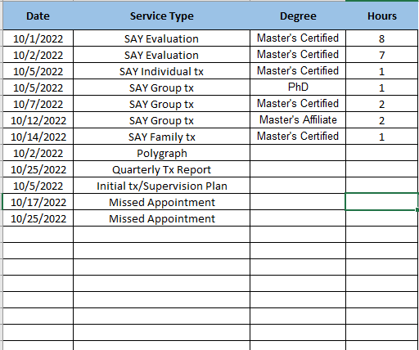
Instructions
Billing Tab:
When filling out the billing section, you only need to enter information into the the boxes that are light blue. The Month/Year are drop down menus to make it easier. In the Contractor/Agency name box, you will put the name that is on the contract and your provider ID number. The next section is for you to name anyone that worked with the client for the month. We will need their license/crediential number for each as well to help verify the billing levels in the next section. You only need the authorization start date, the end date will calculate for 6 months.
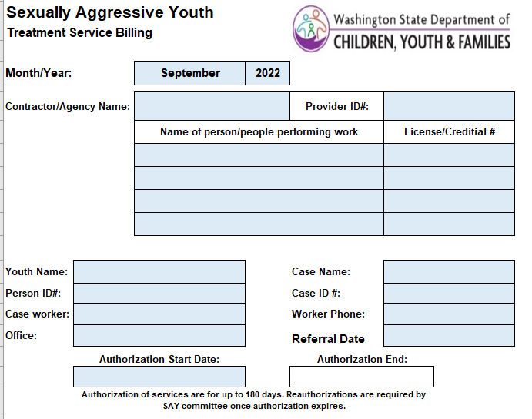

In this part, you will check the box for services provided during this month. You only need to fill out the parts that are light blue. The boxes should all be drop downs. For the evaluation and individual treatment portions, you will choose the number of hours, and the level of degree or credential of the person that completed the work. For the group tx sections, choose the number of hours provided based on that professional's degree/credential. By selecting the correct drop down in the degree column, it will populate the correct rate. For the Quarterly Tx report and Initial Tx/Supervision plan box, you would choose "1" if you did one during the month, and it will autopopulate the total dollar amount to the right. There is not an option for zero (0), simply leave the box blank. Initial Tx plans/ Supervision Plan is a one time payment in the life of the case. Missed appointments have limits for how many we can pay for in a 6 month period that is spelled out in your contract. Polygraph is a one time payment in the life of a case and requires a court order prior to having one completed.

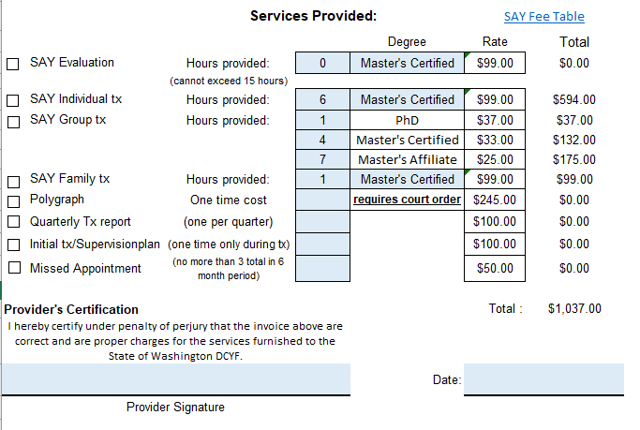

Dates of Service Tab
On this tab, you will need to list what was provided and by what level. You can see in the example below I have all of the options listed as an example. You will see that if you do an evaluation on more than one day you will need to list those days seperately with the number of hours you completed on each day. It will not allow you to lump 15 hours on one day. You will see that individual tx, group tx and family tx will each need their own line with who did the work (not names, but level of degree). For the Polygraph, if one was court ordered and performed, just put the date it was completed. The same is true for the quarterly tx report, initial tx/superision plan and any missed appointments you are billing for during the month. You do not need to fill in the Degee or Hours column for these because the payment for these is one set rate no matter who completes them.

Billing

Sexually Aggressive Youth
Treatment Service Billing

Month/Year: |  | November | 2022

Contractor/Agency Name: |  |  |  | Provider ID#:
 |  | Name of person/people performing work |  |  | License/Creditial #

Youth Name: |  |  |  | Case Name:
Person ID#: |  |  |  | Case ID #:
Case worker: |  |  |  | Email:
Supervisor: |  |  |  | Email:
Office: |  |  |  | Referral Date
 | Authorization Start Date: |  |  | Authorization End:

 | Authorization of services are for up to 180 days. Reauthorizations are required by SAY committee once authorization expires.
 |  | Services Provided: |  |  | SAY Fee Table
 |  |  |  | Degree | Rate | Total
SAY Evaluation |  | Hours provided: | 15 | Master's Certified | $99.00 | $1,485.00
 |  | (cannot exceed 15 hours)
SAY Individual tx |  | Hours provided: |  |  |  | $0.00
SAY Group tx |  | Hours provided: |  | PhD | $37.00 | $0.00
 |  |  |  | Master's Certified | $33.00 | $0.00
 |  |  |  | Master's Affiliate | $25.00 | $0.00
SAY Family tx |  | Hours provided: |  |  |  | $0.00
Polygraph |  | One time cost |  | requires court order | $245.00 | $0.00
Quarterly Tx report |  | (one per quarter) |  |  | $100.00 | $0.00
Initial tx/Supervision plan |  | (one time only during tx) |  |  | $100.00 | $0.00
Missed Appointment |  | (no more than 3 total in 6 month period) |  |  | $50.00 | $0.00

Provider's Certification |  |  |  |  | Total : | $1,485.00
I hereby certify under penalty of perjury that the invoice above are correct and are proper charges for the services furnished to the State of Washington DCYF.
 |  |  |  | Date:
Provider Signature

